Infographic
Wisconsin's Digtial Library Circulation & Usage

 | Super Awesome Library

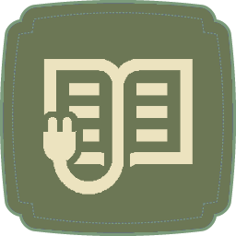




 | 6258 | 2458 | 455 | 800

 | Ebooks | Audiobooks | Videos | Unique Users

 |  | December 2016

